MAWF original
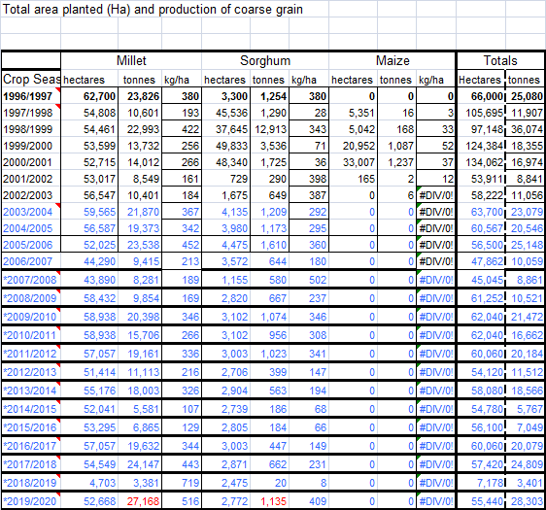
Commercial areas
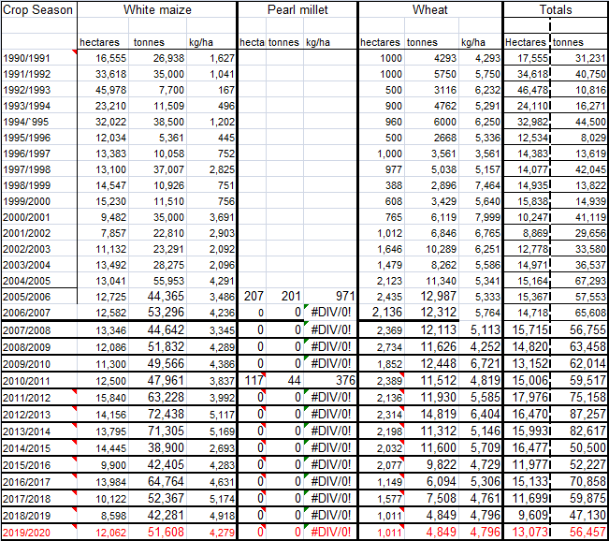

Zambezi
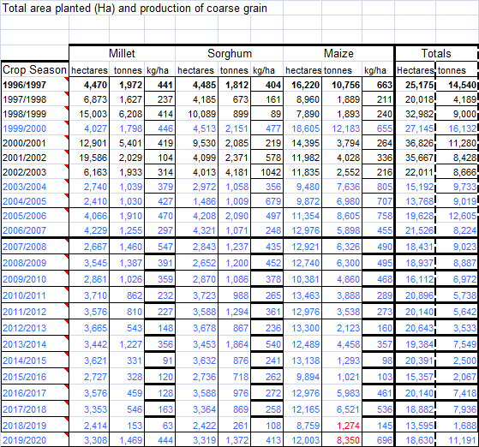

Kavango East and West regions

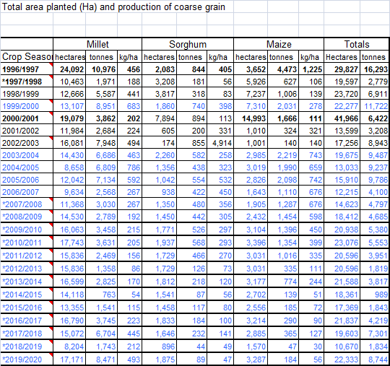

Omusati region

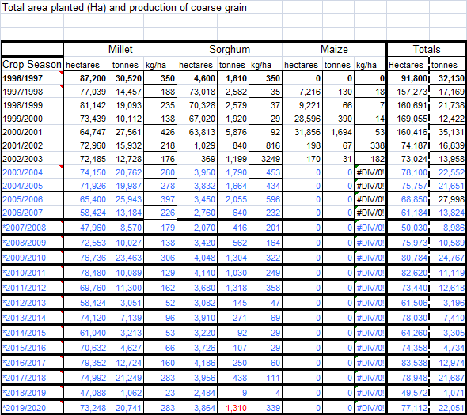

Ohangwena region
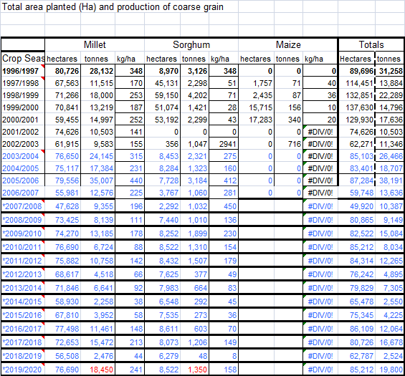

Oshana region
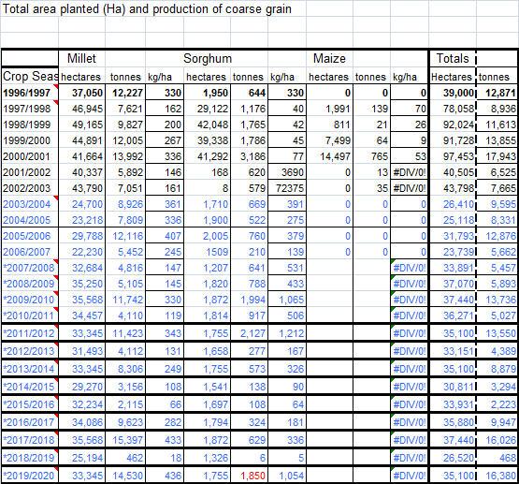

Oshikoto region

Total cereal availability
 | Tons
 |  | 2010/11 | 2011/12 | 2012/13 | 2013/14 | 2014/15 | 2015/16 | 2016/17 | 2017/18 | 2018/19 | 2019/20 | Average (2010/11-2018/19)

Cereal availability Average 2010-2019
Source | White Maize
NAB | imports | 81,111 | 55,305 | 105,742 | 170,234 | 82,527 | 120,650 | 110,229 | 50,483 | 59,608 |  | 92,877
NAB | commercial production marketed | 47,961 | 63,228 | 72,438 | 36,694 | 69,433 | 38,900 | 43,940 | 76,660 | 58,020 |  | 56,364
MAWF | communal | 5,242 | 4,554 | 2,458 | 5,232 | 1,432 | 1,206 | 6,273 | 6,886 | 1,321 | 8,534 | 4,314
 | Total white maize | 134,314 | 123,087 | 180,638 | 212,160 | 153,392 | 160,756 | 160,442 | 134,029 | 118,949 | 8,534 | 153,554
 | % communal | 4% | 4% | 1% | 2% | 1% | 1% | 4% | 5% | 1% | 100% | 3%

 | Wheat
NAB | imports | 65,519 | 84,543 | 87,726 | 85,257 | 103,035 | 95,190 | 121,261 | 104,261 | 118,698 |  | 96,166
NAB | commercial production marketed | 10,038 | 11,930 | 14,819 | 11,312 | 11,600 | 11,411 | 9,822 | 6,863 | 7,508 |  | 10,589
MAWF | communal | 0 | 0 | 0 | 0 | 0 | 0 | 0 | 0 | 0
 | Total wheat | 75,557 | 96,473 | 102,545 | 96,569 | 114,635 | 106,601 | 131,083 | 111,124 | 126,206 | - | 106,755

 | Mahangu
NAB | imports | 1,034 | 1,860 | 3,863 | 5,485 | 3,332 | 6,096 | 5,541 | 3,469 | 931 |  | 3,512
NAB | commercial production | - | - | - | - | - | - | - | - | - |  | -
MAWF | communal | 41,122 | 55,921 | 24,695 | 44,141 | 15,302 | 19,428 | 57,644 | 83,515 | 9,277 | 90,829 | 44,187
 | Total mahangu | 42,156 | 57,781 | 28,558 | 49,626 | 18,634 | 25,524 | 63,185 | 86,984 | 10,208 | 90,829 | 47,700
 | % communal | 98% | 97% | 86% | 89% | 82% | 76% | 91% | 96% | 91% | 100% | 93%

 | Sorghum
NAB | imports
NAB | production marketed
MAWF | communal | 5,769 | 7,735 | 2,191 | 4,153 | 1,671 | 1,507 | 2,784 | 4,036 | 388 | 7,106 | 3,734
 | Total sorghum | 5,769 | 7,735 | 2,191 | 4,153 | 1,671 | 1,507 | 2,784 | 4,036 | 388 | 7,106 | 3,734
 | % communal | 100% | 100% | 100% | 100% | 100% | 100% | 100% | 100% | 100% | 100% | 100%

 | Total all | 257,796 | 285,076 | 313,932 | 362,508 | 288,332 | 294,388 | 357,494 | 336,173 | 255,751 | 106,469 | 311,743
 | % imported and commercial wheat and maize | 79% | 75% | 89% | 84% | 92% | 90% | 80% | 71% | 95% | 0% | 82%
 | % imported wheat and maize | 57% | 49% | 62% | 70% | 64% | 73% | 65% | 46% | 70% | 0% | 61%

Sources: | NAB imports: | https://www.nab.com.na/agronomy/agronomy-statistics/#1585672377295-6a63b89c-ea10
 | NAB production marketed | https://www.nab.com.na/agronomy/agronomy-statistics/#1585672377295-6a63b89c-ea10
 | MAWF communal | cereal production data sent by Matheus Ndjodhi, MAWF on 29 June 2020; (i) 7 communal regions, and (i) national summary

NB. | Communal white maize is only grown in Zambezi and East and West Kavango

 | Get regional commercial data to see if there are regions with significantly greater proportion of communal mahangu and sorghum

 | Average total
 | imports maize | 92,876.56
 | commercial maize | 56,363.78
 | communal maize | 4,313.80
 | imports wheat | 96,165.56
 | commercial wheat | 10,589.22
 | imports mahangu | 3,512.33
 | communal mahangu | 44,187.40
 | communal sorghum | 3,734.00
 |  | 311,742.64 | 55,748 | 18%
 |  |  | ton/capita | kg/capita | kg/capita/day | g/c/d | FAO g/c/d
 | fortifiable maize | 149,240.33 | 0.060964188453 | 60.964188453 | 0.16702517384 | 167 | 119
 | total wheat | 106,754.78 | 0.04360897785 | 43.60897785 | 0.11947665164 | 119 | 99
 | fortifiable mahangu | 3,512.33 | 0.0014347766885 | 1.4347766885 | 0.0039308950369 | 4
 | communal mahangu | 44,187.40 | 0.018050408497 | 18.050408497 | 0.049453173964 | 49
 | total sorghum | 3,734.00 | 0.0015253267974 | 1.5253267974 | 0.0041789775271 | 4
 |  | 307,428.84
 | Namibia population | 2,448,000.00

